Calculations
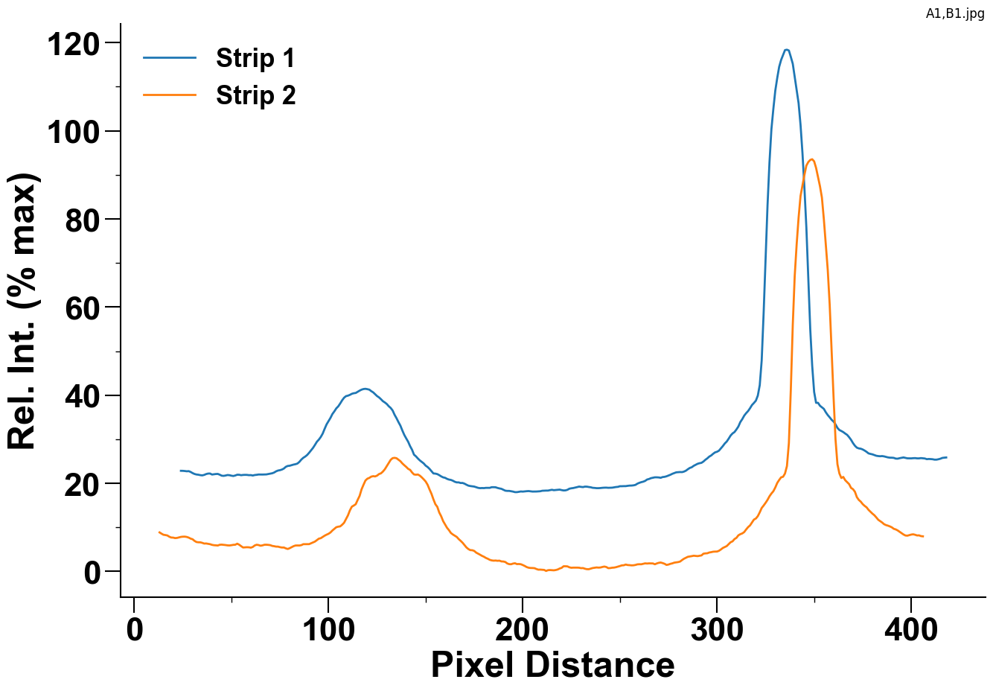

 |  | Strip 1 | Strip 2
Control Peak | Area
 | Max Value
Test Peak | Area
 | Max Value

